Sayfa1
Single Phase Transformer Design

Inputs |  |  |  | Results
Primary Voltage | = | 34.5 | kV | Dimensions |  |  |  | Efficiency & Loss Analysis
Secondary Voltage | = | 25 | kV | Primary Number of Turns, Np | = | 1490 | turns | Primary Winding Resistance, Rp | = | 6.8 | Ω
Secondary Number of Turns, Ns | = | 1080 | turns | Secondary Current, Is | = | 20 | A | Secondary Winding Resistance, Rs | = | 3.6 | Ω
Rating of Transformer | = | 500 | kVA | Primary Current, Ip | = | 14.8 | A | Primary Copper Loss | = | 1.5 | kW
Peak Flux Density in Core, Bmax | = | 1.5 | T | Core Cross Section Area | = | 695 | cm2 | Secondary Copper Loss | = | 1.5 | kW
Operating Frequency | = | 50 | Hz | Width of Core, x | = | 26.4 | cm | Total Copper Loss | = | 2.9 | kW
Current Density, J | = | 3 | A/mm2 | Primary Wire Cross Section Area | = | 4.9 | mm2 | Core Loss | = | 2.7 | kW
Maximum Ambient Temperature | = | 50 | °C | Secondary Wire Cross Section Area | = | 7 | mm2 | Total Loss | = | 5.6 | kW
Fill Factor | = | 0.3 |  | Window Area | = | 485 | cm2 | Efficiency | = | 98.89 | %
Density of Core | = | 7650 | kg/m3 | Core Inner Length, Linner | = | 22.0 | cm
Density of Copper | = | 8960 | kg/m3 | Core Outer Length, Lcore | = | 74.8 | cm | Inductance Calculation
Core Loss | = | 2.62 | W/kg |  |  |  |  | Reluctance of Core | = | 26688 | 1/H
Power Factor | = | 1 |  | Weight Analysis |  |  |  | Magnetizing Inductance, Lm | = | 83.2 | H
Relative Permeability of Core | = | 830 |  | Total Length of Primary Winding | = | 1750 | m | Primary Base Impedance | = | 2333 | Ω
Copper Cost | = | 10 | $/kg | Mass of Primary Winding | = | 77 | kg | Primary Leakage Inductance | = | 148.5 | mH
Core Material Cost | = | 3 | $/kg | Total Length of Secondary Winding | = | 1268 | m | Secondary Leakage Inductance | = | 78.0 | mH
Current Exchange Rate | = | 3.9 | ₺/$ | Mass of Secondary Winding | = | 76 | kg
 |  |  |  | Total Copper Mass | = | 153 | kg | Cost Analysis
 |  |  |  | Core Volume | = | 0.13 | m3 | Core Cost | = | 12,045.7 | ₺
 |  |  |  | Core Mass | = | 1030 | kg | Copper Cost | = | 5,968.4 | ₺
 |  |  |  | Total Mass | = | 1183 | kg | Total Cost | = | 18,014.1 | ₺

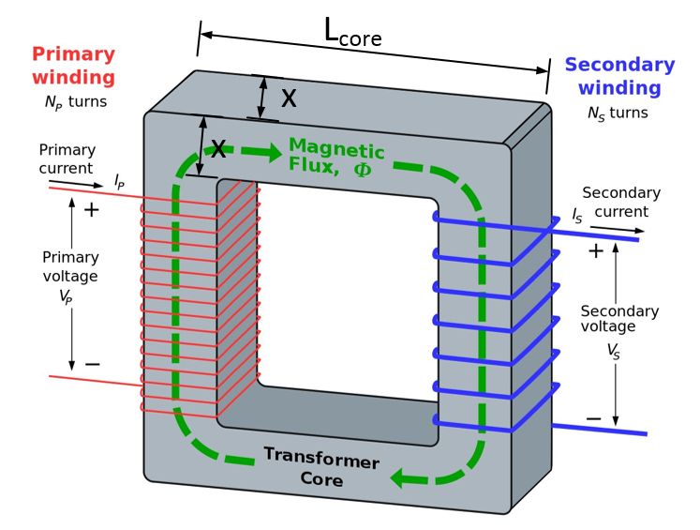
 |  |  |  | Core Material Datasheet

